A. Organization Chart
VII. Exhibits

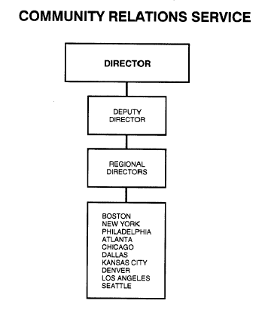
A: Organizational Chart | end of line
 | end of line
 | end of line
 | end of line
 | end of line
 | end of line
 | end of line
 | end of line
 | end of line
 | end of line
 | end of line
 | end of line
 | end of line
 | end of line
 | end of line
 | end of line
 | end of line
 | end of line
 | end of line
 | end of line
 | end of line
 | end of line
 | end of line
 | end of line
 | end of line
 | end of line
 | end of line
 | end of line
 | end of sheet

