A. Organizational Chart
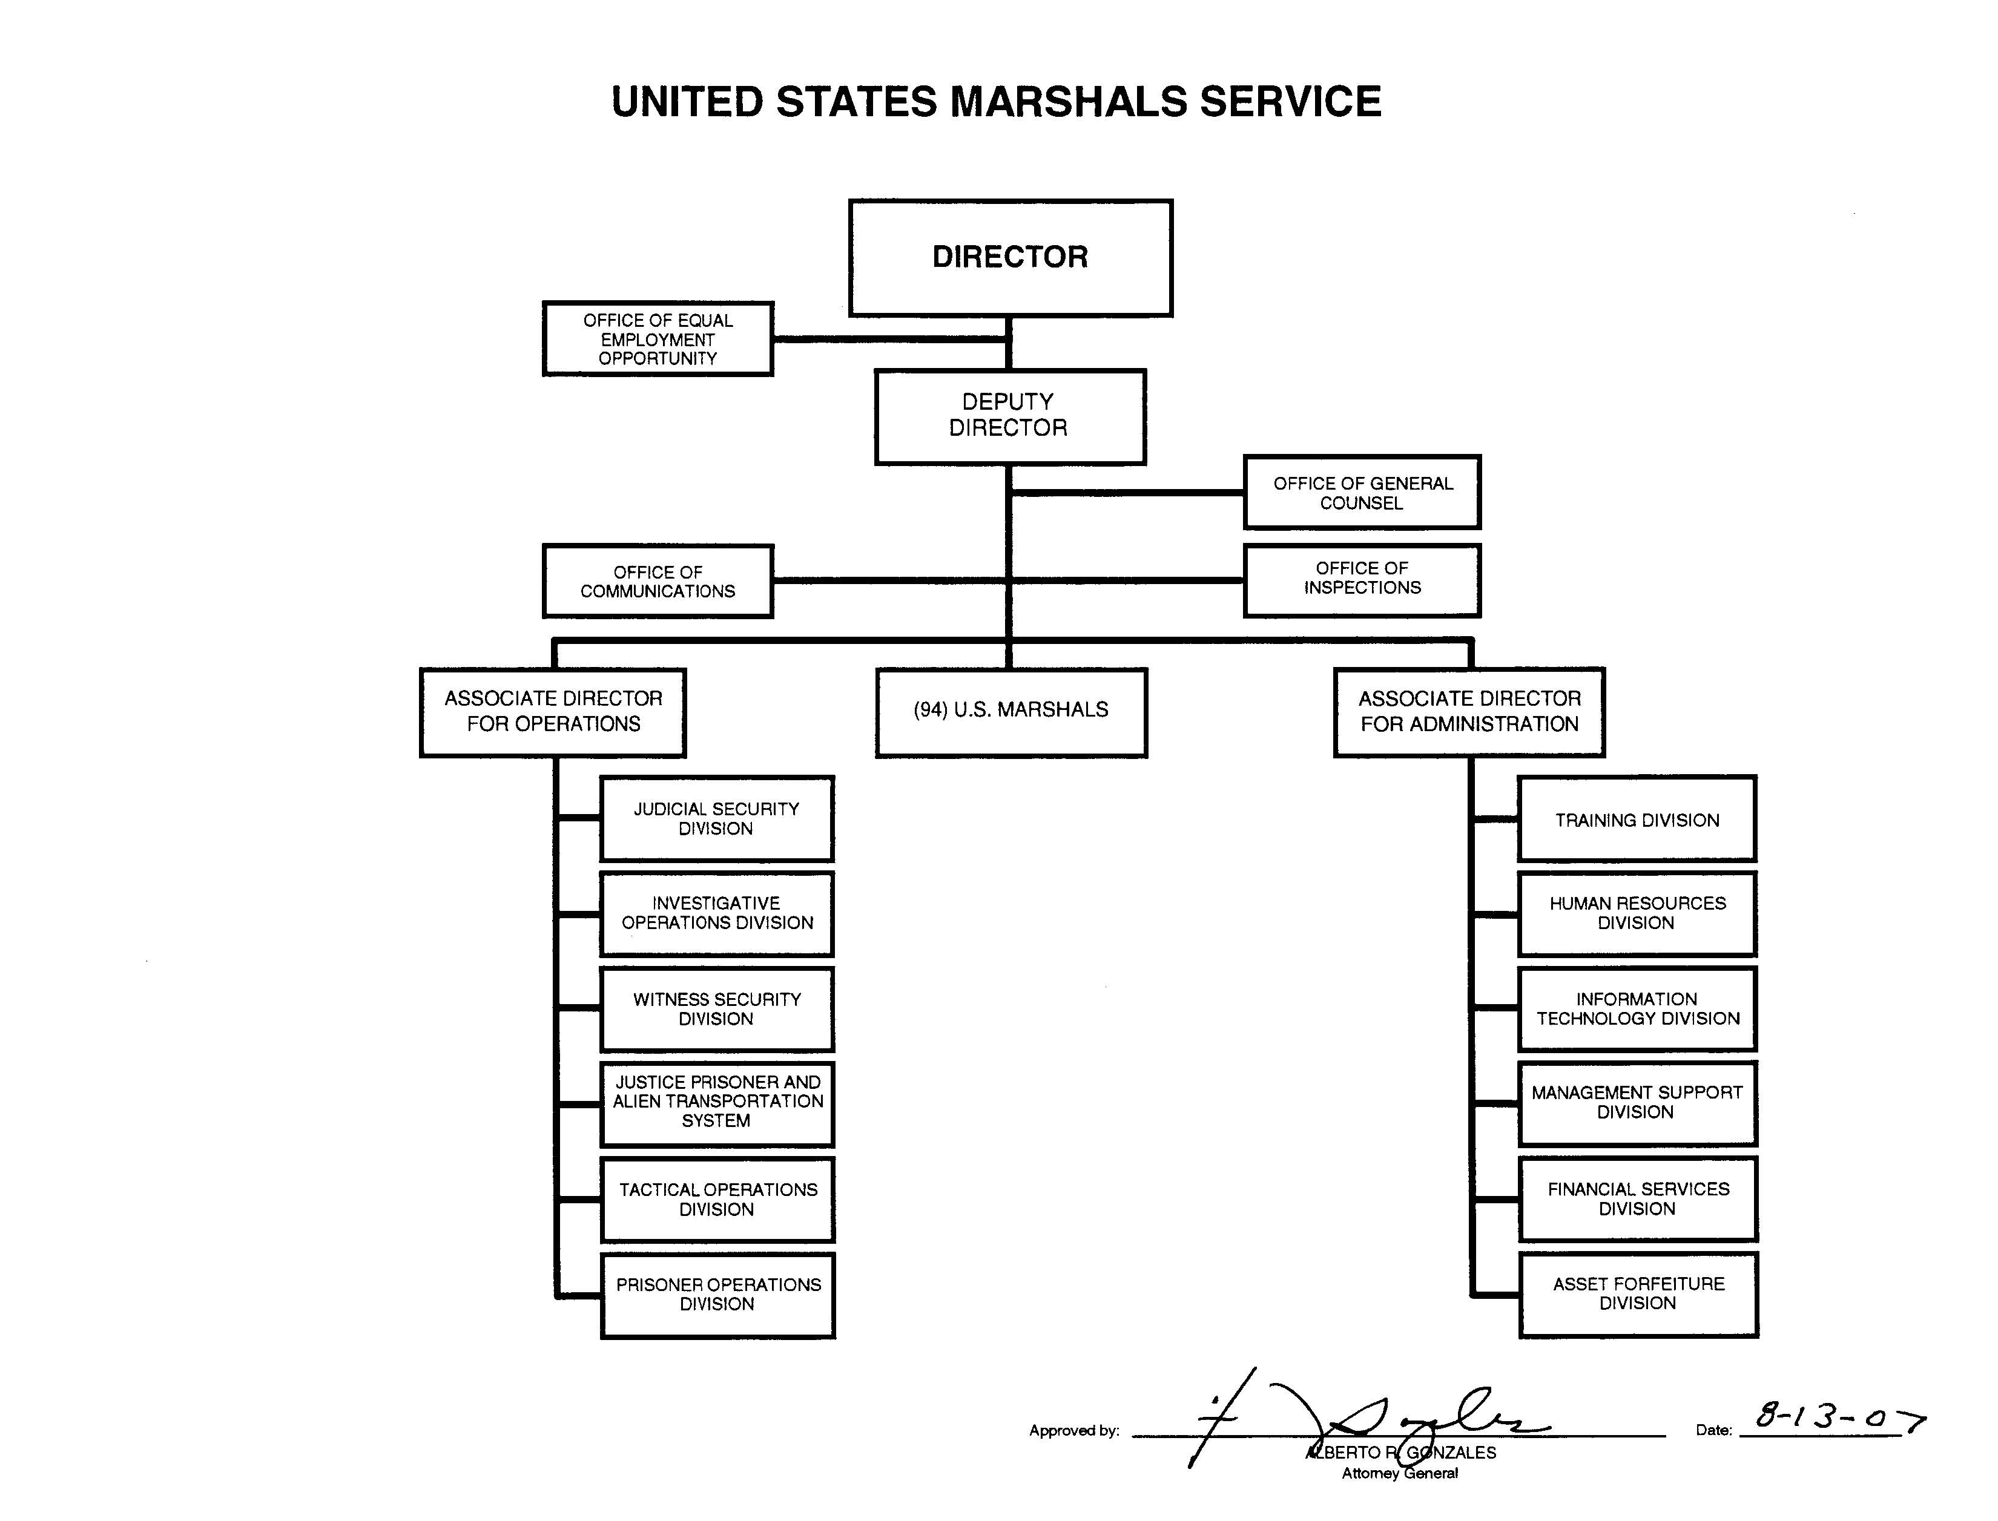
A: Organizational Chart

