A. Organization Chart
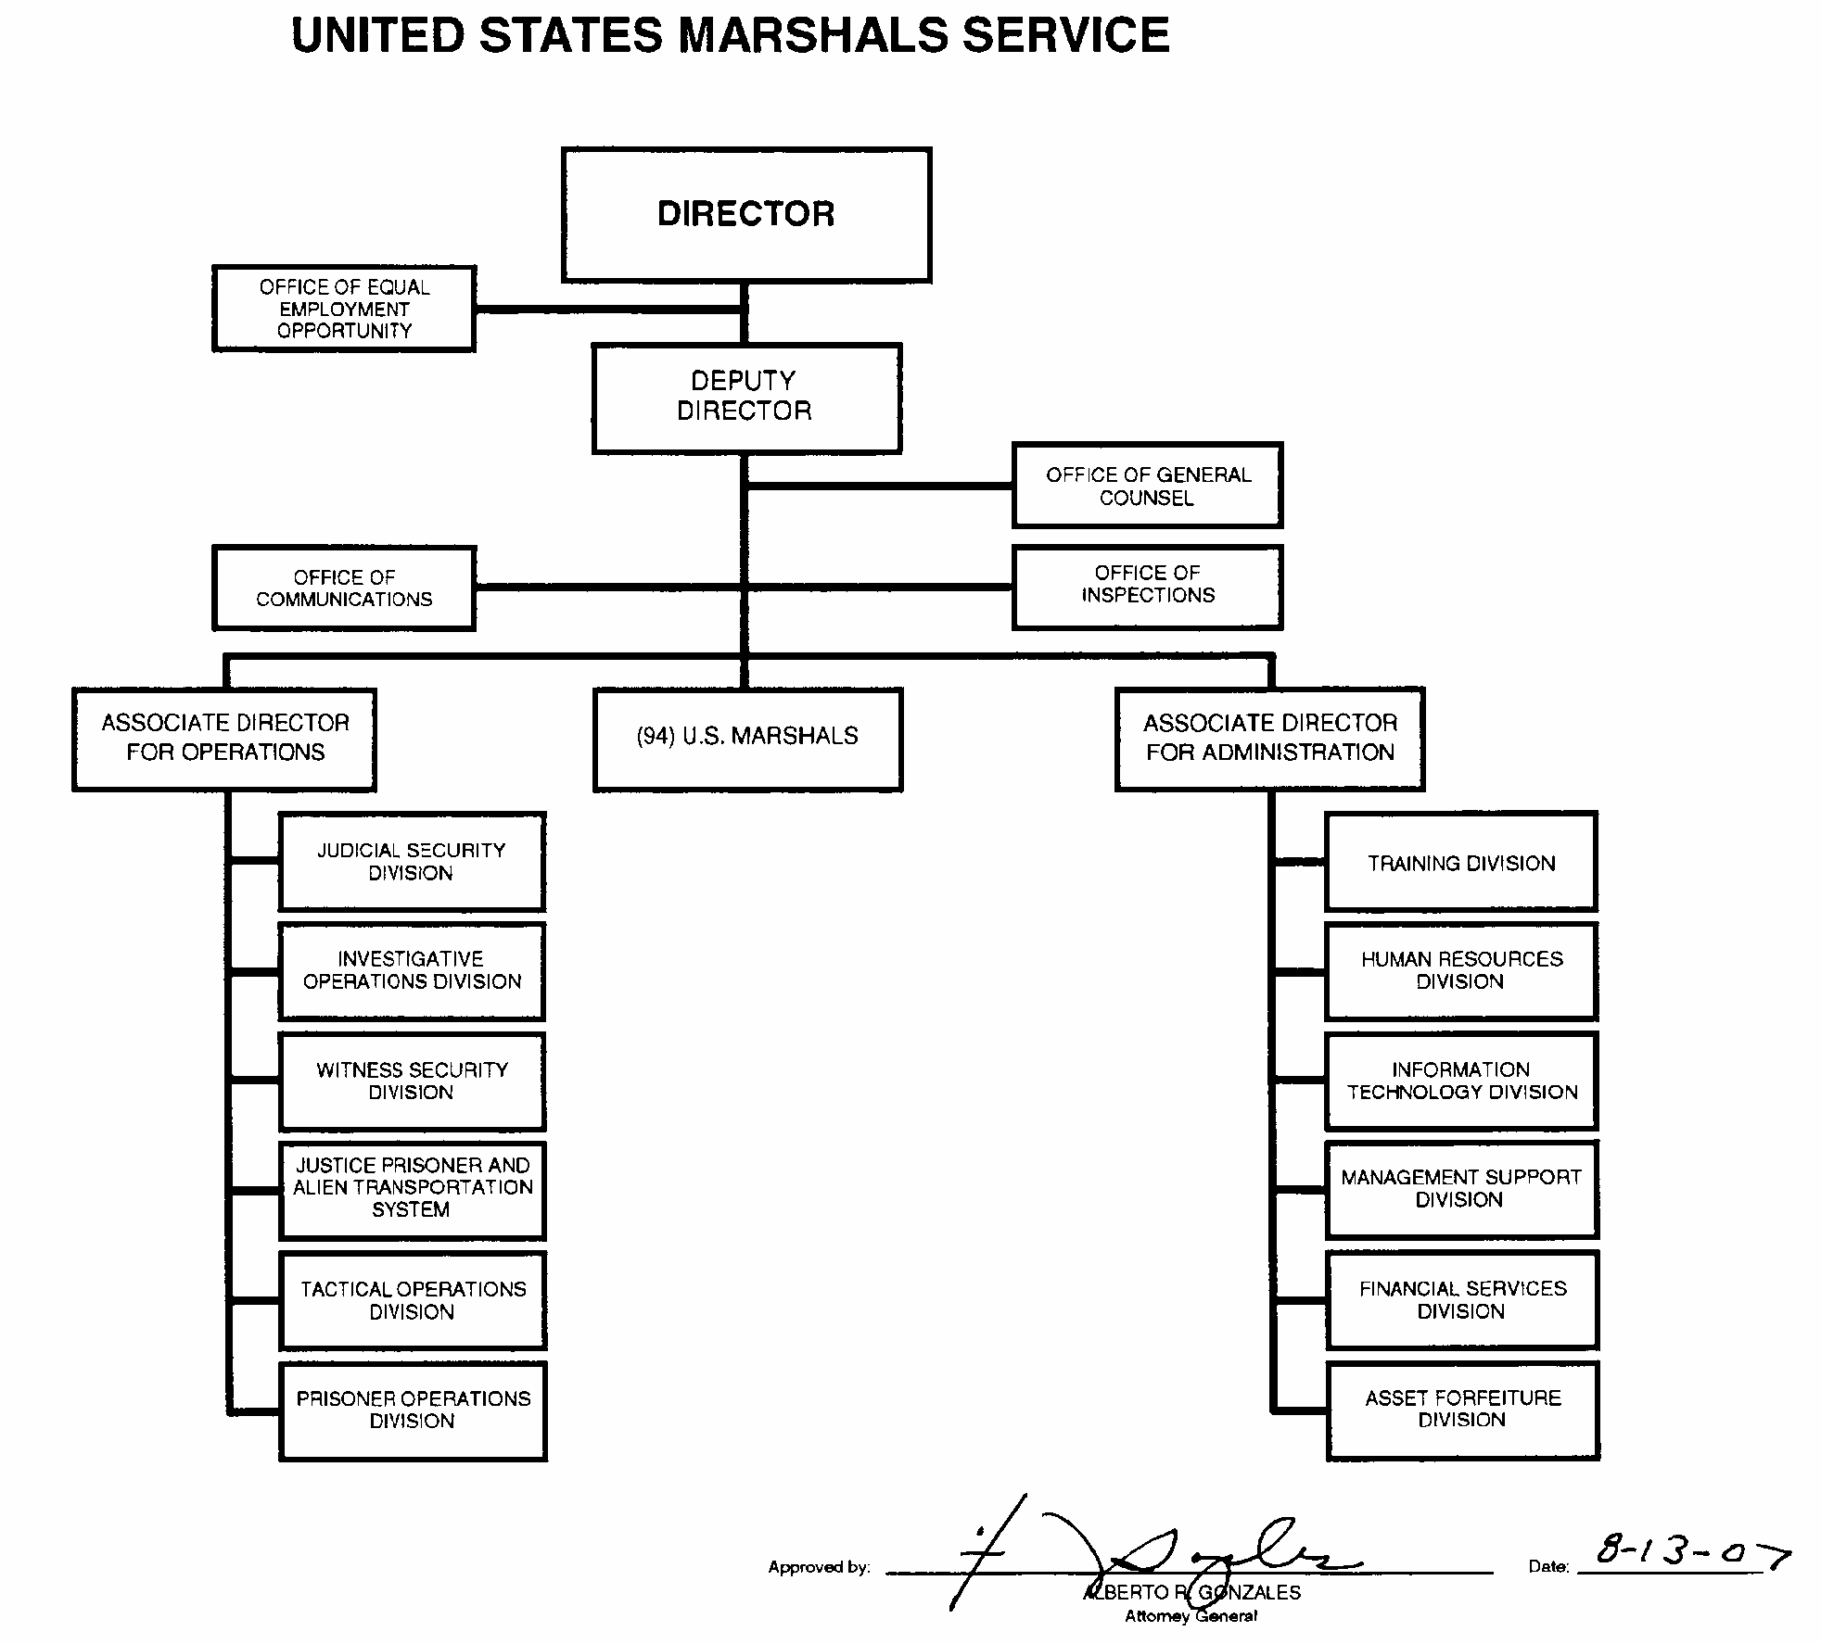
A: Organizational Chart

